Sheet1
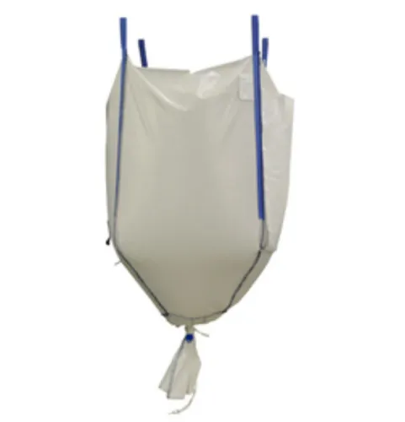
The Conical Bag is made specifically to help with the full discharge of materials that are a little bit sticky, including brown sugar and items made with premixed flour. The conical shape at the bottom of the bag ensures that the bulk bag can be discharged quickly and easily.
Shaped like a cone at the top and bottom that ensures quick and easy discharge
The conical design assists you in discharging tacky contents to 'flow' towards the outlet spout.
Suitable to pack slurry materials like clay, brown sugar, premix flour products, etc.
Is an economical option over expensive discharging solutions and is customizable.

What are the primary industries in which conical bags are mostly used?
The primary industries, conical bags are often used are:
Pharmaceuticals
Food grains and agricultural products
Animal feed
Minerals and powdered metals
Tobacco
Waste and reprocessing
Construction materials like cement, sand
Chemicals
petroleum products
Paper and wood

